Index
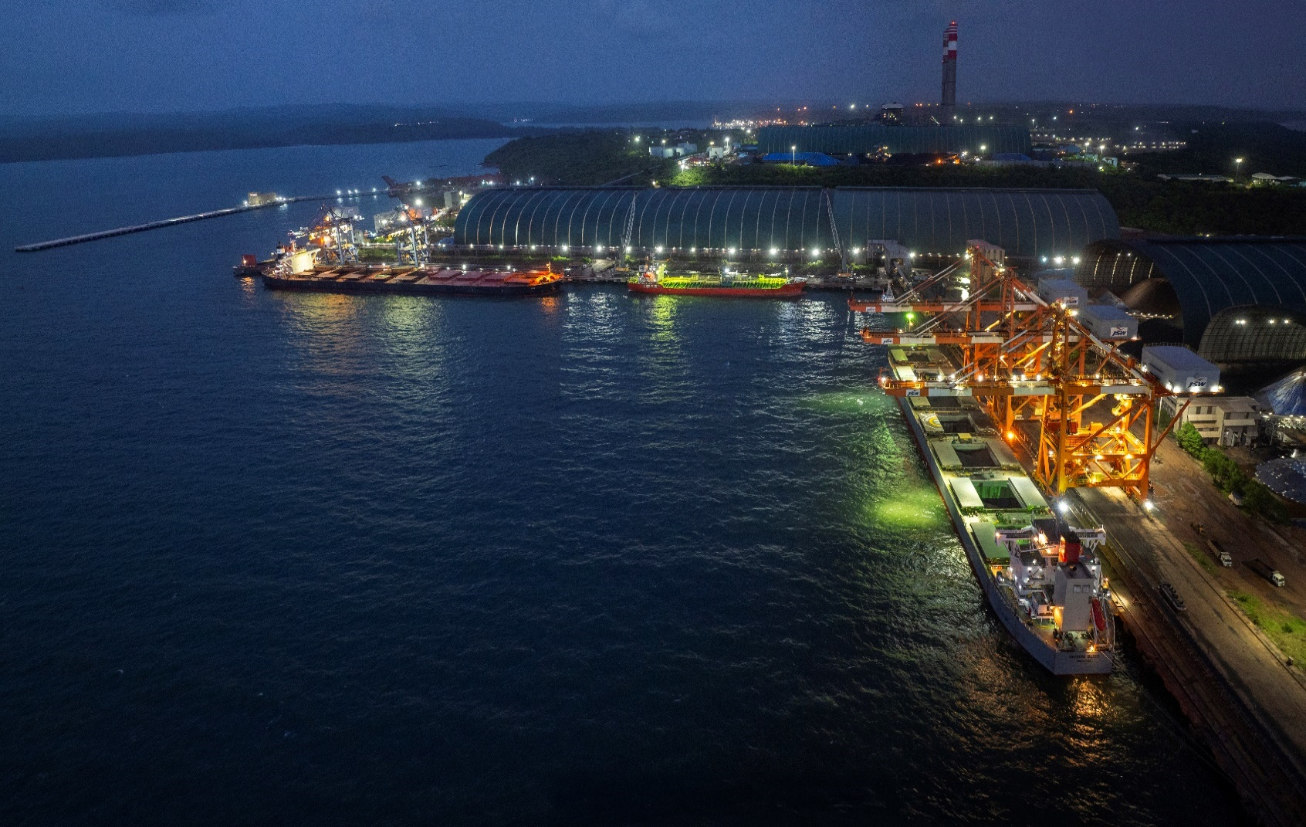

ESG Databook 2026
Index
References
Targets
Focus Areas
GRI Mapping
SDG Mapping
TCFD
ESG DATABOOK 2026
TNFD
Stakeholder Engagement
Materiality
Value Creation Model
International Certifications
Environment
Social
Governance

Targets
TARGETS

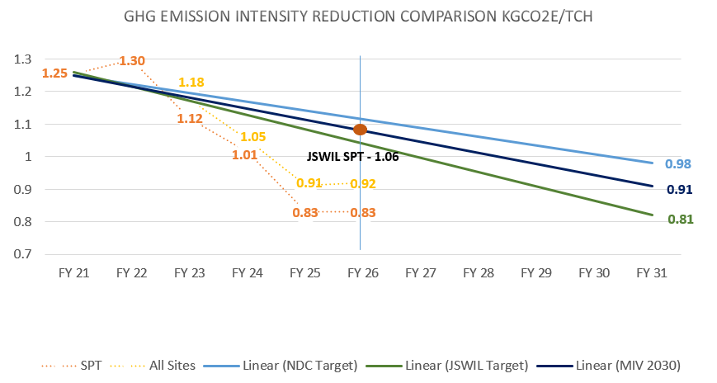

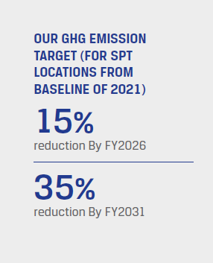

NDC Target
JSWIL Target
MIV Target

NDC: Nationally Determined Contributions of India
MIV 2030: Maritime India Vision 2030
Reporting Date for SPT is 31.03.26.
Even if we achieve it earlier, we have to show it on the defined observations date

Focus Areas
FOCUS AREAS

Climate Change
Environment
Social
Governance
Energy
Resources
Water Resources
Waste
Waste Water
Air Emissions
Biodiversity
Local Considerations
Indigenous People
Cultural Heritage
Employee Wellbeing
Supply Chain Sustainability
Social Sustainability
Business Ethics
Human Rights
Integrated Report FY 26
SL No | Focus Areas | Page Number
1 | Climate Change | 112
2 | Energy | 116
3 | Resources | 112
4 | Water Resources | 119
5 | Waste | 119
6 | Wastewater | 119
7 | Air Emissions | 117
8 | Biodiversity | 118
9 | Local Considerations | 104
10 | Human Rights | 100
11 | Indigenous People | -
12 | Cultural Heritage | 104
13 | Business Ethics | 52
14 | Employee Wellbeing | 90
15 | Supply Chain Sustainability | 120
16 | Social Sustainability | 104

Stakeholder Engagement
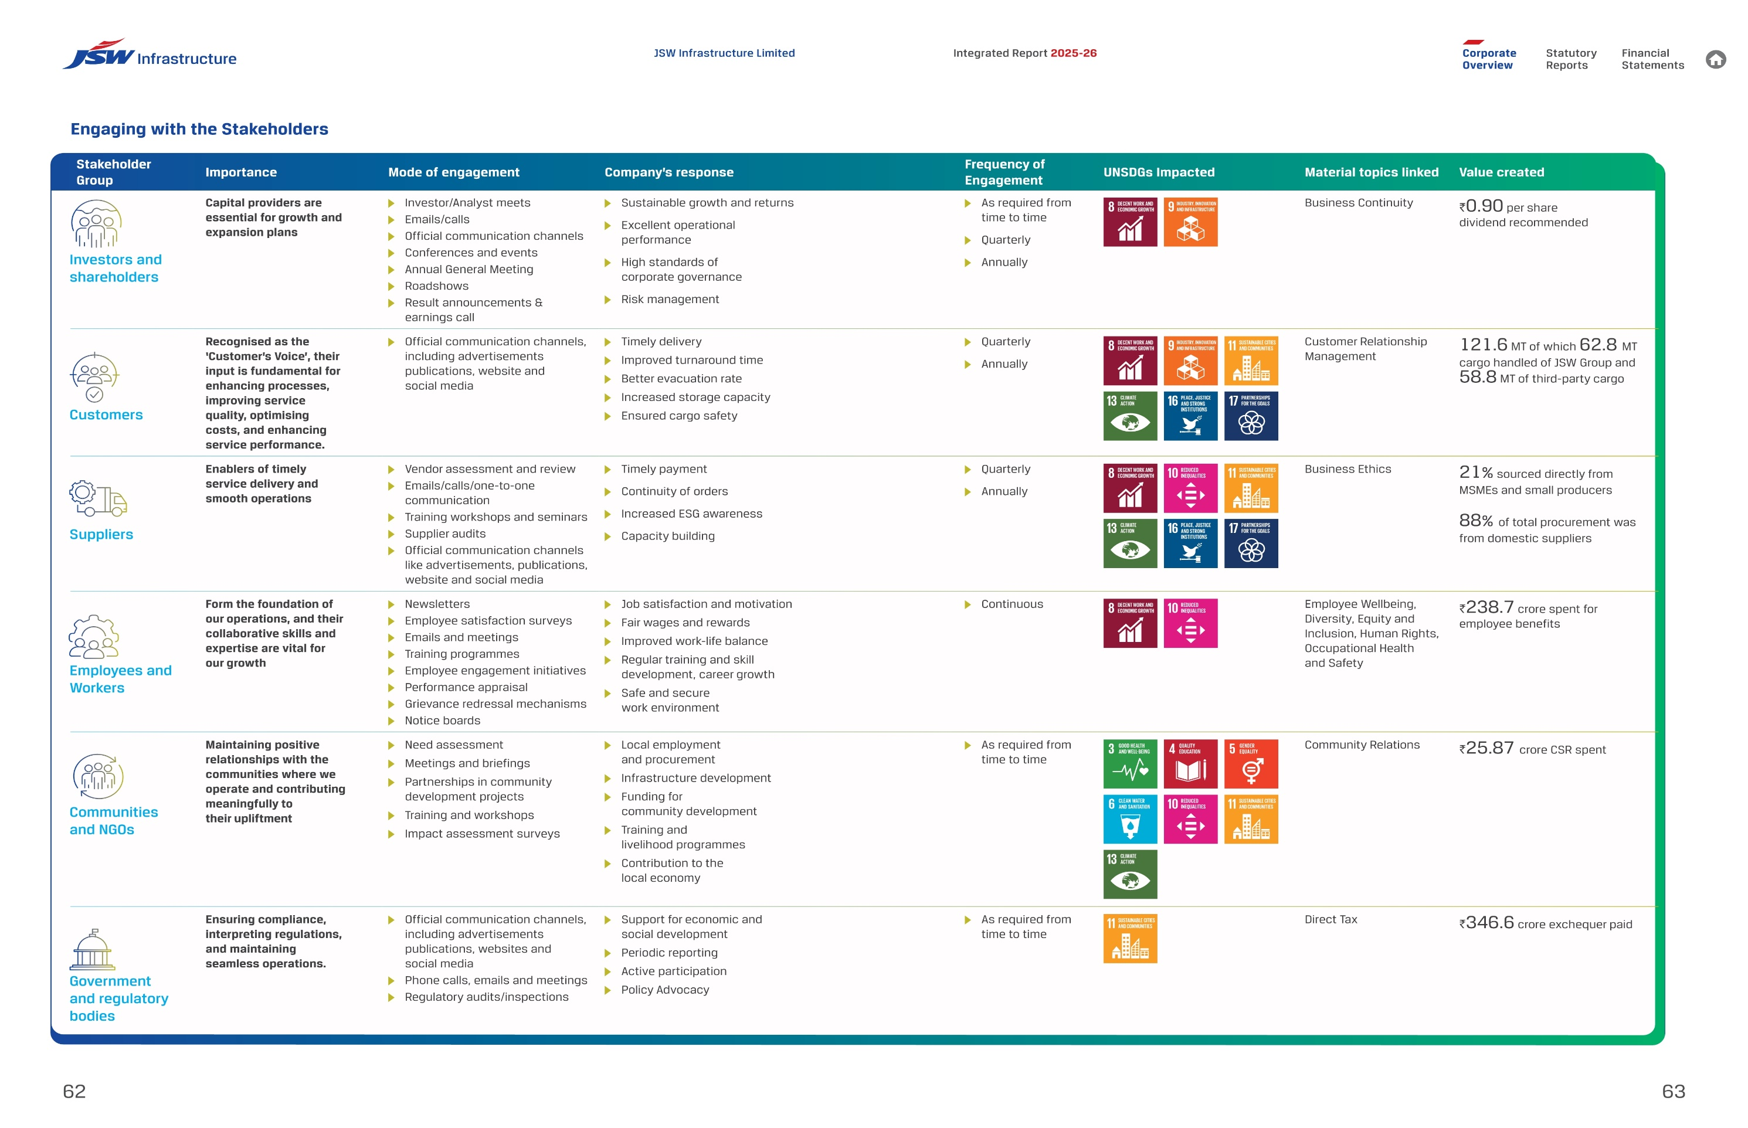
STAKEHOLDER ENGAGEMENT

 | We engage with stakeholders through structured, frequent and need-based interactions across our business locations. These include connecting with investors and shareholders, customers, suppliers, employees and workers, communities and NGOs, and government and regulatory bodies through diverse communication channels. Feedback received through these platforms is reviewed by relevant teams and considered in planning, service improvement, risk management, community initiatives and sustainability priorities. This helps us developing value-assertive engagements and linked to business outcomes.

TNFD
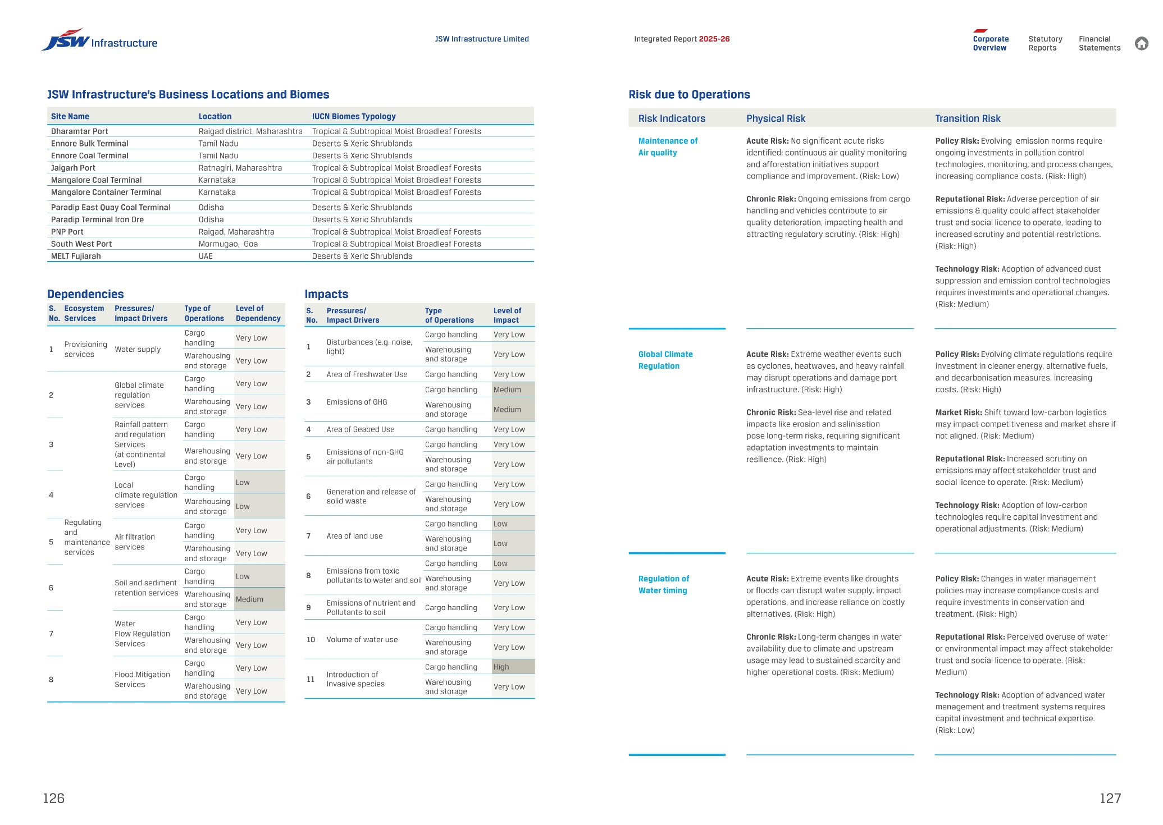
TASKFORCE ON NATURE-RELATED FINANCIAL DISCLOSURES (TNFD)

JSW Infrastructure Limited (JSWIL) has adopted the Task Force on Nature-related Financial Disclosures (TNFD) framework,becoming one of the Indian companies to publish a TNFD aligned report in 2026. The company addresses nature-related Dependencies, Impacts, Risks and Opportunities (DIRO) across its direct operations and critical suppliers using TNFD’s four pillar structure: Governance, Strategy, Risk & Impact Management, and Metrics & Targets. The approach is aligned with the global standards including TCFD, ISSB’s IFRS, GRI and the Kunming–Montreal Global Biodiversity Frameworkand strengthens our commitment to No Net Loss of Biodiversity.

Value Creation Model
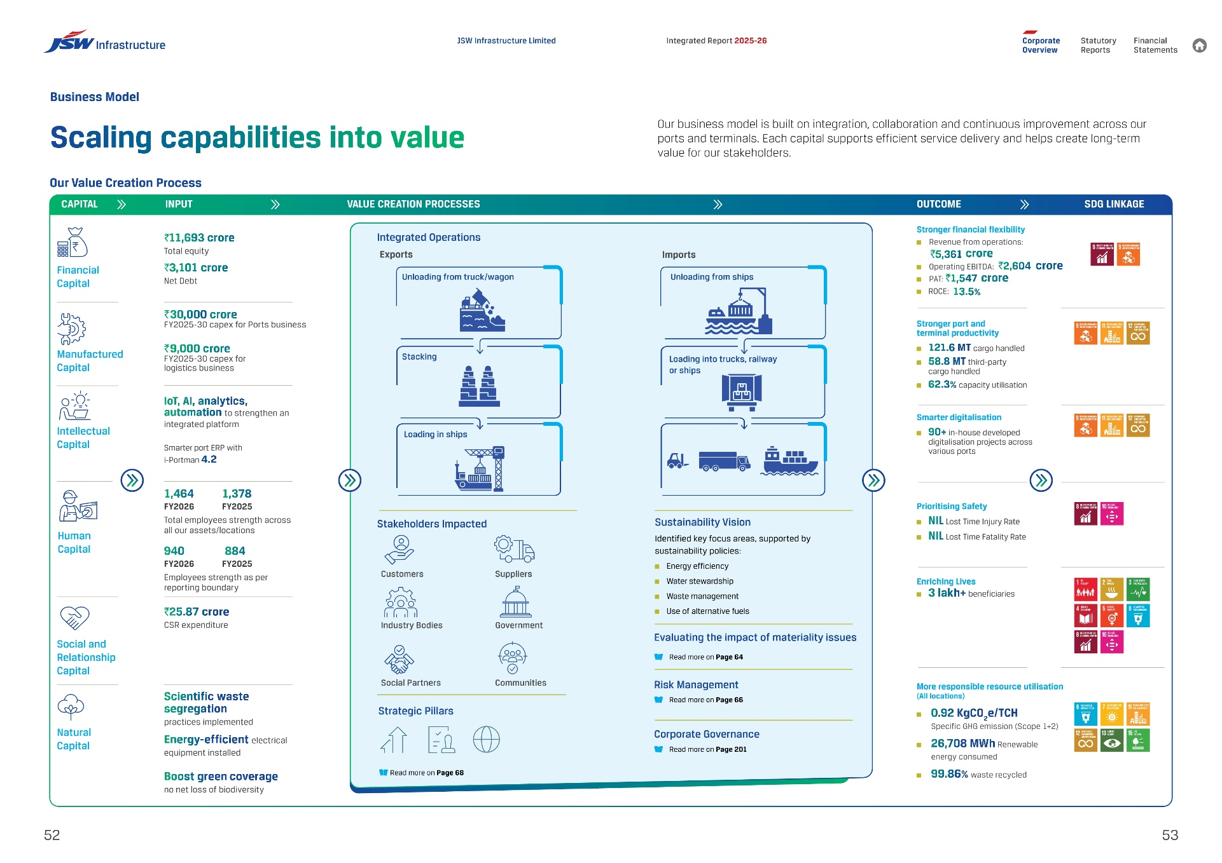
VALUE CREATION MODEL

Our business model is built on integration, collaboration and continuous improvement across our ports and terminals. Each capital supports efficient service delivery and helps create long-term value for our stakeholders.

