Index
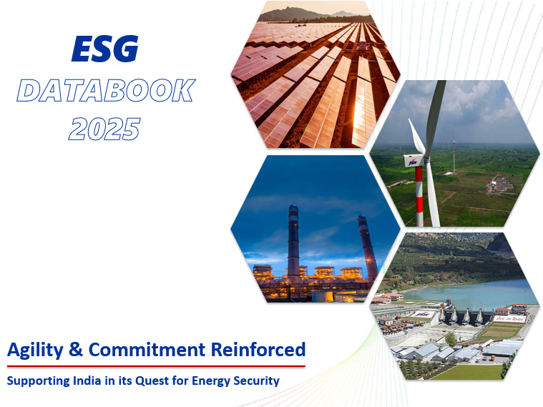


The following list provides a reference to the tabs used in the JSW Energy ESG Databook 2025.
Index
References
Targets
Focus Areas
GRI Mapping

SDG Mapping
TCFD
Stakeholder Engagement
Double Materiality
International Certifications
Value Creation Model
Environment
Environment Dashboard
Social
Social Dashboard
Governance

Targets
2030 TARGETS | ESG Databook 2025
 |  | Index
 |  | Website
CO2 Intensity (tCO2/MWh)
FY 20 | 0.76
FY 30 | 0.39
↓48%
Sp. Fresh Water Consumption (m3/MWh)
FY 20 | 1.11
FY 30 | 0.68
↓38%
Sp. PM Emissions (Kg/MWh)
FY 20 | 0.16
FY 30 | 0.064
↓60%

Sp. SOx Emissions (Kg/MWh)
FY 20 | 1.78
FY 30 | 0.75
↓58%
Sp. NOx Emissions (Kg/MWh)
FY 20 | 1.01
FY 30 | 0.46
↓54%
Biodiversity
Strive to achieve no net
loss of biodiversity
at our operating sites

Focus Area
Climate Change
Environment
Social
Governance
Energy
Resources
Water Resources
Waste
Waste Water
Air Emissions
Biodiversity
Local Considerations
Indigenous People
Cultural Heritage
Employee Wellbeing
Supply Chain Sustainability
Social Sustainability
Business Ethics
Human Rights
FOCUS AREAS
 |  | ESG Databook 2025
 |  | Index
Integrated Report FY 25 |  | Website

SL No | Focus Areas
1 | Climate Change
2 | Energy
3 | Resources
4 | Water Resources
5 | Waste
6 | Wastewater
7 | Air Emissions
8 | Biodiversity
9 | Local Considerations
10 | Human Rights
11 | Indigenous People
12 | Cultural Heritage
13 | Business Ethics
14 | Employee Wellbeing
15 | Supply Chain Sustainability
Health & Safety
16 | Social Sustainability
17 | Health & Safety

TCFD
 |  |  | ESG Databook 2025
TASKFORCE ON CLIMATE-RELATED FINANCIAL DISCLOSURES (TCFD) |  |  | Index
 |  |  | Website

ALIGNING WITH THE TCFD RECOMMENDATIONS

The energy sector is not insulated from climate change impacts and particularly vulnerable to risks due to its dependency on fossil fuels, energy-intensive production processes, and large carbon footprints. However, the sector becomes a solution to climate change mitigation and provides with an opportunity for transition to production of non-fossil based energy, i,e, energy from renewable sources, nuclear energy, hydrogen based energy, etc. As the world is transitioning towards net-zero, energy companies have a critical role to play in this transition by giving the world access to sufficient amount of renewable energy or non-fossil energy.
CLIMATE GOVERNANCE

JSW Energy's board of directors demonstrates strong leadership in overseeing climate-related matters, ensuring that they are fully integrated into the company's overall business strategy. At the Board level, the Sustainability Committee and the Risk Management Committee review climate-related matters during biannual meetings and report to the Board of Directors. At the management level, the Executive Committee and corporate function teams oversee climate-related matters. We have a dedicated climate change policy with focus on preventing causes, mitigating impacts, and building resilience to climate change.

Board of Directors
Board level Sustainability Committee
Board level Risk Committee
Executive Committee
Operations Management

STRATEGY

Our sustainability efforts prioritise non-fossil based energy and sustainable development, along with transparency in operations and investments. Recognising the significance of climate risks in our business strategy and decision-making, we conducted a climate change risk assessment. Scenario analysis as per RCP 4.5 and RCP 8.5 that played an important role in assessing climate-related risks and opportunities. Where, RCP 4.5 represents a pathway where greenhouse gas emissions are moderately stabilized by the end of the 21st century through significant mitigation efforts. On the other hand, RCP 8.5 depicts a high-emission pathway without adequate climate policies, resulting in substantial increase in greenhouse gas concentration.
By utilising scenario analysis, we gained insights into potential climate-related risks and opportunities. This assessment guides our climate strategy and business planning for the future. It has helped us embed sustainability at the heart of our business strategy.
Physical and transition climate change scenarios
Business-as-usual scenario
IPCC scenarios (Physical Risks)
RCP8.5 scenario
Extremely high emissions scenario with global mean temperature expected to rise by 3.7.C (2.6-4.9.C) by the end of the century. The scenario assumes a high dependence on fossil fuels and no policy-driven mitigation.
WEO-2020 scenarios (Transition Risks)
Stated policies scenario
Incorporates existing and announced climate policies (till mid-2020) including Nationally Determined Contributions from governments across the world. The scenario provides a baseline against which additional actions are required to meet SDS climate goals.
Optimistic scenario
IPCC scenarios (Physical Risks)
RCP4.5 scenario
Intermediate emissions scenario with global mean temperature expected to rise by 1.8’C (1.1-2.6’C) by the end of the century. The scenario considers increased use of renewable energy and strong policy-driven mitigation.
WEO-2020 scenarios (Transition Risks)
Sustainable Development scenario
Provides an energy sector pathway which is consistent with meeting global Net Zero CO2 emissions from the energy system as a whole by around 2070, universal access to energy and reduced air pollution.
Key Risks and Proposed Mitigation

Type of Risk | Resilience Measures Planned

Physical Risks: Increased severity of extreme weather events such as extreme heat, water scarcity, flood, etc. | Diversification in RE helps us to reduce dependency on raw materials. All our plants are zero liquid discharge plants, aiming to reduce the freshwater consumption. We are also evaluating the modalities to improve the water conservation and build an additional storage facility to avoid any effect on the operations due to water scarcity. The results of the initial study will be used to further deep dive into the risks at the asset/operation level with an objective to validate the existing design, maintenance programs, and other engineering controls and identify potential controls that may be required to mitigate the impacts.

Policy: Emerging climate change regulations and the country's commitments | We are in the process of substituting the coal-based boilers at one of our locations with the waste gases from our Group company, JSW Steel. This avoids the need for fossil fuel thereby reducing the policy and market risks. We have set an ICP to make sure we allocate the right budget for reducing our GHG emissions.

Technological Risks: Non-Substitution of conventional energy to green energy portfolio | We have contracted for India’s largest commercial scale, 3,800 TPA capacity, green hydrogen project for green steel production which is expected to be commissioned within 18-24 months. We keep ourselves upgraded with new energy efficient technologies. We are also targeting to expand in Energy Storage space and targeting to achieve 40 GWh / 5 GW of Energy Storage by 2030.

Reputational Risks : Introduction of subsidies in RE Market by the Government of India | We are committed to become carbon neutral by 2050. We have also devised a systematic plan to diversify ourselves in RE portfolio.

Climate-related opportunities identified

Opportunity | Opportunity Type | Opportunity Description

Shift in consumer preferences | Energy Source | JSW Energy intends to increase its renewable portfolio upto 68% by FY2025 reaching 10GW capacity and 84% by FY 2030 to have 20GW capacity. All capacity increase shall be in renewable space.
Lower costs of Solar Power generation products | Products and Services | In the last 8-9 years the cost of solar panels has reduced by 75%-80% and the technology has improved by leaps & bounds. The combined effect has brought the cost per unit down and very comparable or even lesser than the conventional thermal power costs. These reduced costs serve as an opportunity for JSW Energy to foray into the renewable space at a quick pace.
Use of new technologies | Energy Source | Replacement of coal-based boilers with waste gas-based boiler. Reduction in the consumption of fossil fuel there by reducing the emission of CO2. Avoiding the usage of coal there by avoiding the cost of raw material. Increased use of waste gases from steel plants to reduce dependency of thermal power plants on fossil fuel. JSW Energy is also working towards ultra-low carbon technologies like green hydrogen, battery storage and pumped hydro storage that can have a positive impact in promoting the decarbonisation of other industries.
Raising investments through green bonds) | Market | JSW Hydro Energy has established this Green Bond Framework (the “Framework”). The purpose of this Framework is to have a single robust methodology in place for all future Green Bonds, ensuring that for each instrument issued the principles of this Framework apply. Generally, the Framework is aligned with the ICMA Green Bond Principles (“GBP”, 2018) which are a set of voluntary guidelines that recommend transparency and disclosure and promote integrity in the development of the sustainable finance market.
Access to new assets (increased diversification of assets) | Market | Majority of the Capex in FY22 and FY23 has been used for the procurement and construction of the Renewable Energy projects i.e Solar - 225 MW (completed) , Hydro - 240 MW (completion by end of CY2024), Wind - 1260 MW ( about 78 MW commissioned and the rest is under construction - expected completion by end of CY24). Whilst the RE l result in clean power without any emissions/pollution, it also contributes to social improvements through creating local opportunities to improve livelihoods.
Recycling | Resource Efficiency | 100% fly ash recycling and water Recycling

Risk management
Our risk management framework, based on the COSO framework, allows us to identify and assess risks, develop response strategies, and monitor our operations effectively. The framework considers objectives related to operations, reporting, and compliance. Through our Climate Change Risk Assessment Framework, we assess risks and opportunities at both the asset/plant level and corporate level. Mitigation plans and progress towards low-carbon and sustainable development targets are presented to the Executive Committee and board for review and approval. Our 2030 low-carbon and sustainable development plan is a result of our comprehensive risk management process.
Metrics and targets

Metrics and targets play a pivotal role in guiding and evaluating a company's sustainability and climate-related efforts. We have used the following metrics to cater to the high impact climate risks.

1 | GHG Emissions Intensity (tCO2e/MWh)
2 | Specific Water Consumption (m3 / MWh)
3 | Air Emissions (%)
4 | RE Percentage (%)
5 | Waste Ash Utilisation (%)

The trends of the above are presented in our Integrated Report.Regularly monitoring these metrics is essential for evaluating our company's performance in addressing climate change. In line with this objective, we are dedicated to enhancing the transparency of our climate-related data and improving our overall climate performance. We are actively implementing innovative and sustainable practices throughout our operations to reduce our carbon footprint, minimise energy and water consumption, optimise resource usage, and promote circularity. Through these efforts, we are fulfilling our role as responsible environmental stewards.

Double Materiality
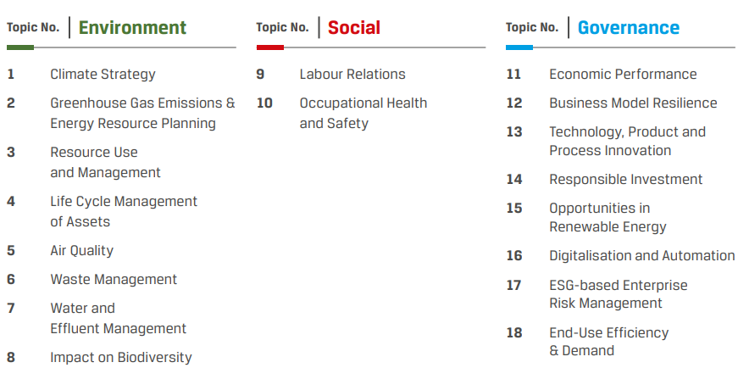
DOUBLE MATERIALITY
 | ESG Databook 2025
 | Index
 | Website

As part of our strategic action plan, we conducted a Double materiality assessment during FY 2025 and identified issues that have a significant potential to influence our business. We have devised clear pathways to approach these issues in order to deliver sustained value. Our materiality approach takes into account the double materiality principle, which considers how certain topics are important for the environmental and social aspects, which also have financial consequences with time.

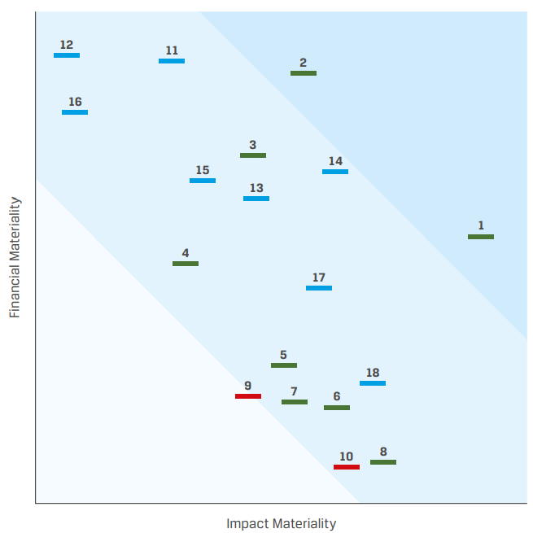
Two Dimensions of Double Materiality at JSW Energy: Impact Materiality: Focuses on the scale, scope, likelihood and irremediability of JSW Energy's impacts on the environment. Financial Materiality: Evaluates how ESG risks and opportunities affect JSW Energy's financial position and long-term value creation.

Value Creation Model
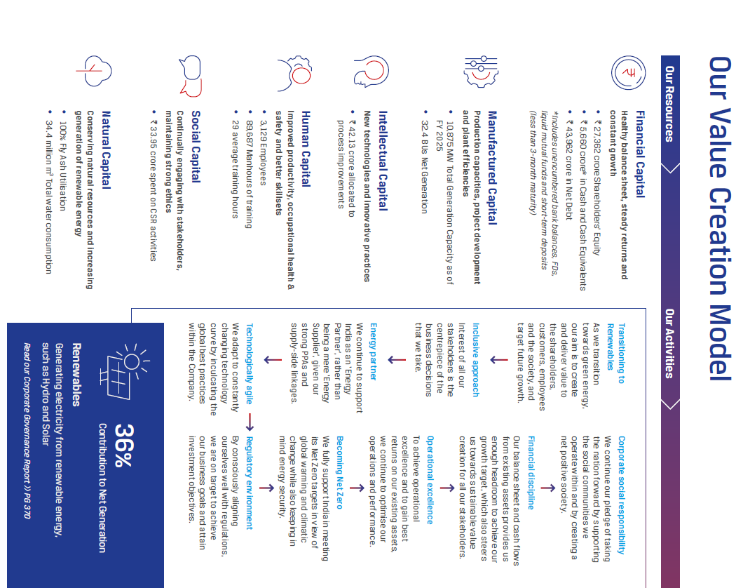
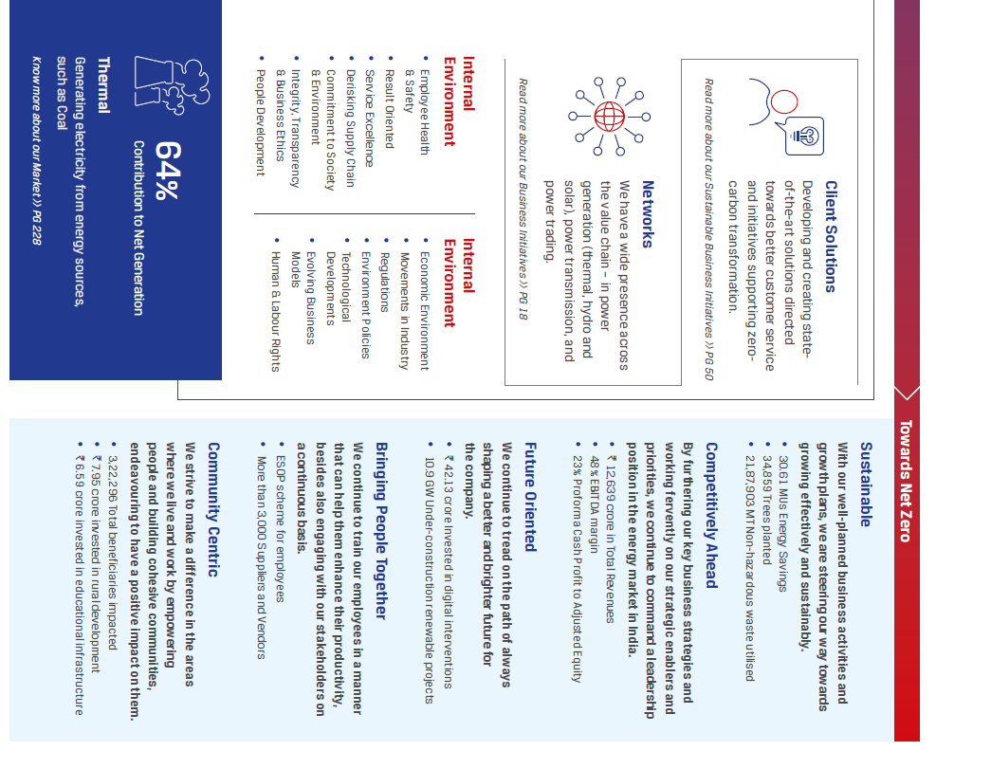
VALUE CREATION MODEL
 | ESG Databook 2025
 | Index
 | Website

Building a shared, prosperous future Our value creation model is a reflection of our integrated approach. It takes into account our available financial and non-financial resources, stakeholder expectations and concerns, the external environment as well as our purpose and values to deliver superior outcomes and capital returns.

Environment Dashboard
 | ESG Databook 2025
ENVIRONMENT DASHBOARD |  | Index
 |  | Website
CO2 Intensity (tCO2/MWh)
FY 20 | 0.76
FY 21 | 0.68
FY 22 | 0.68
FY 23 | 0.685
FY 24 | 0.62
FY 25 | 0.59
FY 30 | 0.39
FY 30 Target Completion
46%
Sp. Fresh Water Consumption (m3/MWh)
FY 20 | 1.11
FY 21 | 1.11
FY 22 | 1.11
FY 23 | 1.116
FY 24 | 0.95
FY 25 | 0.99
FY 30 | 0.68
FY 30 Target Completion
28%
Sp. PM Emissions (Kg/MWh)
FY 20 | 0.16
FY 21 | 0.14
FY 22 | 0.14
FY 23 | 0.12
FY 24 | 0.11
FY 25 | 0.094
FY 30 | 0.064
FY 30 Target Completion
69%

Waste Recycled (%)
FY 20 | 100
FY 21 | 100
FY 22 | 96.9
FY 23 | 100
FY 24 | 100
FY 25 | 100
FY 30 | 100
FY 30 Target Completion
100%
Air Emissions (Kg/MWh)
 | Sp. SOx Emissions | Sp. NOx Emissions
FY 20 | 1.78 | 1.01
FY 21 | 1.65 | 0.95
FY 22 | 1.52 | 0.81
FY 23 | 1.25 | 0.7
FY 24 | 1.18 | 0.64
FY 25 | 1.09 | 0.67
FY 30 | 0.75 | 0.46
FY 30 Target Completion
SOx:
NOx:
67%
62%

Social Dashboard
SOCIAL DASHBOARD | ESG Databook 2025
 | Index
 | Website
Total Employees Numbers
FY 20 | 1677
FY 21 | 1578
FY 22 | 1603
FY 23 | 2310
FY 24 | 2500
FY 25 | 3129
Non-Management Numbers
FY 22 | 806
FY 23 | 1305
FY 24 | 311
FY 25 | 1452
Management Numbers
 | -
FY 22 | 797
FY 23 | 1005
FY 24 | 2189
FY 25 | 1677

Lost Time Injury Frequency Rate (LTIFR) per million man hours
FY 20 | 0.26
FY 21 | 0.11
FY 22 | 0.1
FY 23 | 0
FY 24 | 0.15
FY 25 | 0.36
Differently Abled Employees Numbers
FY 20 | 6
FY 21 | 6
FY 22 | 6
FY 23 | 6
FY 24 | 6
FY 25 | 4
Permanent Women Employees Numbers
FY 20 | 75
FY 21 | 66
FY 22 | 70
FY 23 | 104
FY 24 | 124
FY 25 | 177

